Question
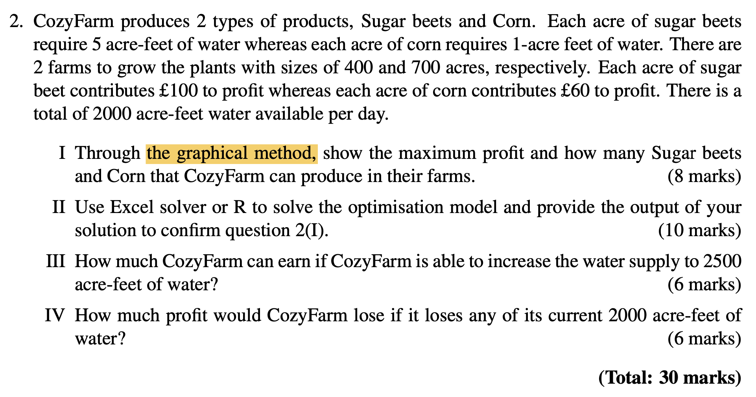

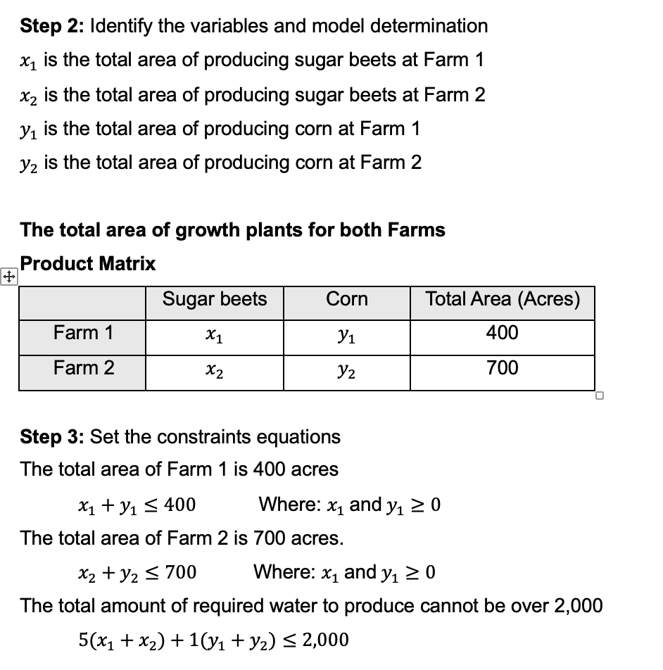

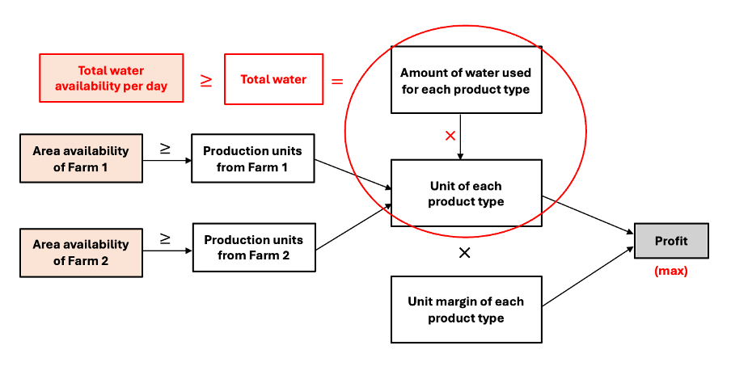

Profit Analysis Q2
CozyFarm Project

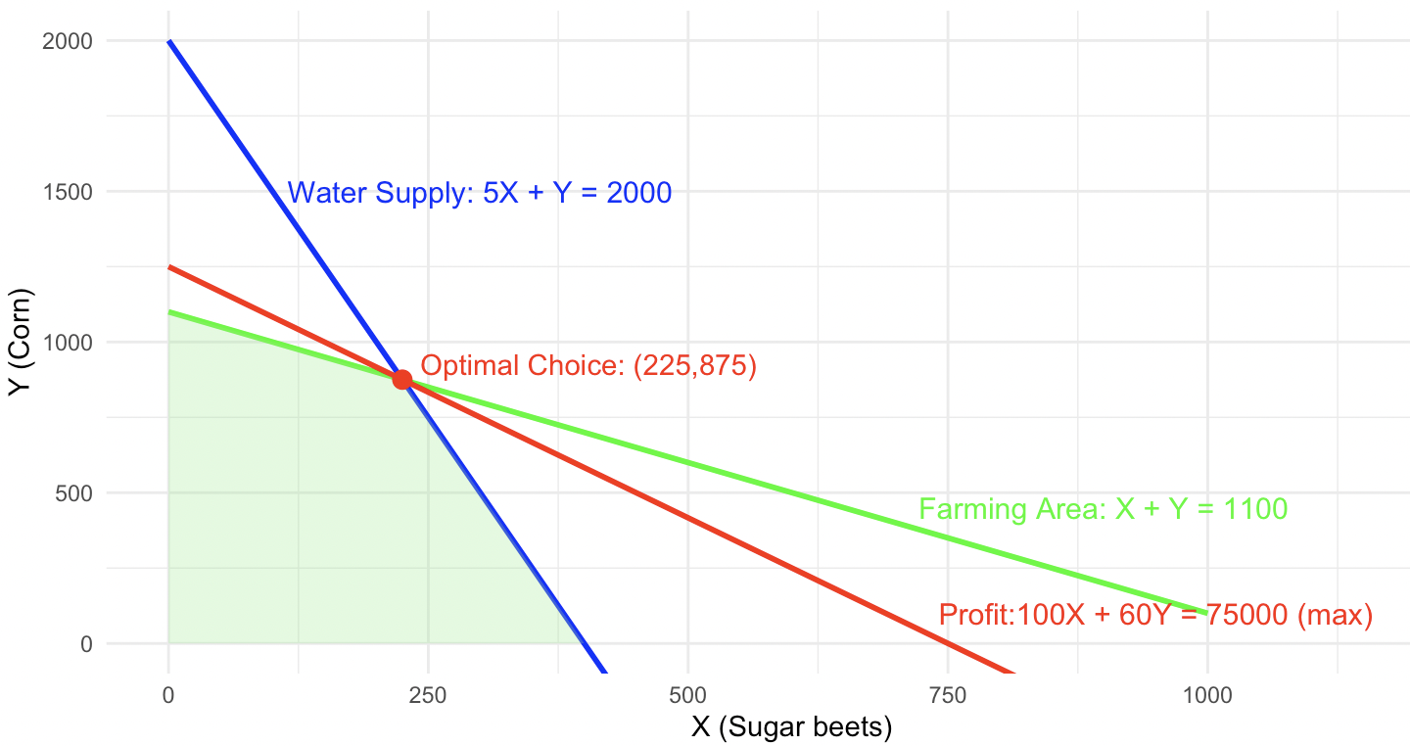
Inputs variables |  |  |  | From R Programming
Amount of water required for sugar beets/acre | 5
Amount of water required for corn/acre | 1

Decided Variables | Sugar beets | Corn
Quantity of producing at farm 1(400 acres) | 0 | 400
Quantity of producing at farm 2(700 acres) | 225 | 475

Constrains |  | Limitation
Total amount of required water to produce | 2,000 | 2,000 | Water can use per day (acres-feet)
Quantity of producing at farm 1(400 acres) | 400 | 400 | Max areas of Farm 1(acres)
Quantity of producing at farm 2(700 acres) | 700 | 700 | Max areas of Farm 2(acres)

Profit Model | Sugar beets | Corn
Profit of each product per acres | £100 | £60 | Total Profit
Quantity of producing(acres) by product | 225 | 875
Total Profit | £22,500 | £52,500 | £75,000

STS_1
Oneway analysis for Solver model in Profit Analysis Q2 worksheet |  |  |  |  | Sensitivity of $B$19 to Limitation of water

When you select an output from the dropdown list in cell $K$4, the chart will adapt to that output.
Limitation of water (cell $C$12) values along side, output cell(s) along top |  |  |  |  | Data for chart
 | $B$19 | $C$19 | $D$19 | 1 | $B$19
0 | £0 | £0 | £0 |  | 0
500 | £0 | £30,000 | £30,000 |  | 0
1,000 | £0 | £60,000 | £60,000 |  | 0
1,500 | £10,000 | £60,000 | £70,000 |  | 10000
2,000 | £22,500 | £52,500 | £75,000 |  | 22500
2,500 | £35,000 | £45,000 | £80,000 |  | 35000
3,000 | £47,500 | £37,500 | £85,000 |  | 47500

Sensitivity of $B$19 to Limitation of water

